base data
U.S. PC Market Share:
1975 - 2010
 | 1975 | 1976 | 1977 | 1978 | 1979 | 1980 | 1981 | 1982 | 1983 | 1984 | 1985 | 1986 | 1987 | 1988 | 1989 | 1990 | 1991 | 1992 | 1993 | 1994 | 1995 | 1996 | 1997 | 1998 | 1999 | 2000 | 2001 | 2002 | 2003 | 2004 | 2005 | 2006 | 2007 | 2008 | 2009 | 2010 | 2011 | 2012 | 2013 | 2014 | 2015 | 2016 | 2017 | 2018 | 2019

Acer | - | - | - | - | - | - | - | - | - | - | - | - | - | - | - | - | - | - | - | - | - | 4.5% | 3.8% | 3.0% | 2.7% | 2.3% | 1.9% | 1.5% | 1.1% | 0.7% | 1.4% | 2.4% | 6.0% | 9.3% | 12.1% | 10.4% | 8% | 0% | 0% | 0% | 0% | - | - | - | -
Altair | 100.0% | 13.0% | 6.1% | 3.3% | - | - | - | - | - | - | - | - | - | - | - | - | - | - | - | - | - | - | - | - | - | - | - | - | - | - | - | - | - | - | - | - | - | - | - | - | - | - | - | - | -
Apple | - | - | 0.4% | 9.1% | 21.0% | 29.3% | 41.0% | 28.5% | 20.0% | 19.0% | 18.0% | 16.0% | 14.0% | 12.4% | 10.7% | 10.9% | 13.8% | 13.2% | 13.4% | 11.5% | 10.6% | 6.4% | 4.1% | 4.6% | 3.2% | 3.8% | 3.8% | 3.7% | 3.7% | 3.6% | 4.4% | 5.2% | 6.5% | 7.9% | 9.0% | 10.5% | 11% | 11% | 11% | 12% | 13% | 12% | 13% | 13% | 13%
AST/Tandy | - | - | 60.8% | 49.6% | 48.1% | 37.6% | 22.5% | 10.1% | 5.0% | 4.0% | 3.0% | 2.5% | 2.0% | 1.9% | 1.7% | 1.8% | 2.7% | 2.8% | 4.0% | 3.5% | 2.3% | 2.4% | - | - | - | - | - | - | - | - | - | - | - | - | - | - | - | - | - | - | - | - | - | - | -
Commodore | - | - | 2.4% | 9.9% | 15.5% | 15.8% | 10.6% | 3.6% | 21.6% | 32.4% | 32.8% | 33.2% | 20.5% | 17.5% | 18.5% | 13.6% | 15.9% | 9.6% | 2.3% | 0.3% | 0.2% | - | - | - | - | - | - | - | - | - | - | - | - | - | - | - | - | - | - | - | - | - | - | - | -
Compaq | - | - | - | - | - | - | - | - | 1.1% | 2.5% | 4.0% | 5.7% | 7.5% | 6.0% | 4.4% | 4.5% | 4.1% | 5.7% | 9.4% | 11.7% | 10.8% | 12.9% | 16.0% | 16.7% | 16.2% | 15.7% | - | - | - | - | - | - | - | - | - | - | - | - | - | - | - | - | - | - | -
Dell | - | - | - | - | - | - | - | - | - | 0.0% | 0.0% | 0.3% | 0.6% | 0.9% | 0.9% | 1.0% | 1.6% | 3.7% | 4.8% | 4.2% | 4.9% | 6.8% | 9.3% | 13.2% | 15.9% | 18.5% | 23.5% | 28.5% | 31.7% | 34.9% | 35.7% | 32.8% | 29.1% | 29.4% | 25.5% | 23.4% | 22% | 21% | 22% | 24% | 24% | 25% | 26% | 27% | 28%
Gateway | - | - | - | - | - | - | - | - | - | - | - | - | - | - | 0.2% | 1.0% | 2.5% | 3.6% | 4.3% | 5.1% | 5.1% | 6.1% | 7.1% | 8.4% | 8.5% | 8.7% | 7.4% | 6.0% | 5.5% | 5.1% | 6.1% | - | - | - | - | - | - | - | - | - | - | - | - | - | -
HP | - | - | - | - | - | 0.7% | 6.1% | 4.6% | - | - | - | - | - | - | - | - | - | - | - | 2.4% | 3.8% | 5.3% | 6.6% | 7.8% | 6.4% | 11.1% | 18.4% | 17.0% | 18.8% | 20.6% | 20.4% | 22.4% | 24.8% | 24.7% | 25.0% | 24.8% | 26% | 27% | 25% | 27% | 28% | 28% | 31% | 31% | 30%
IBM/Lenovo | - | - | - | - | - | - | 5.0% | 22.2% | 42.0% | 39.5% | 37.0% | 32.5% | 28.0% | 22.5% | 16.9% | 16.1% | 14.1% | 11.7% | 13.0% | 8.7% | 7.9% | 8.3% | 8.7% | 8.2% | 6.4% | 5.4% | 5.5% | 5.6% | 4.9% | 4.3% | 3.6% | 4.2% | 4.4% | 4.1% | - | - | 7% | 8% | 10% | 11% | 12% | 14% | 13% | 15% | 15%
Osborne | - | - | - | - | - | - | 1.4% | 8.2% | 0.5% | - | - | - | - | - | - | - | - | - | - | - | - | - | - | - | - | - | - | - | - | - | - | - | - | - | - | - | - | - | - | - | - | - | - | - | -
Packard Bell (NEC) | - | - | - | - | - | - | - | - | - | - | - | - | - | - | 3.3% | 3.9% | 4.7% | 5.3% | 6.4% | 14.3% | 14.4% | 11.4% | 8.8% | 6.2% | 5.2% | 4.3% | 3.8% | - | - | - | - | - | - | - | - | - | - | - | - | - | - | - | - | - | -
Toshiba | - | - | - | - | - | - | - | - | - | - | - | - | - | - | - | - | - | - | - | - | - | - | - | 1.4% | 1.9% | 2.3% | 2.8% | 2.8% | 2.9% | 3.1% | 3.3% | 3.8% | 4.0% | 4.6% | 8.1% | 8.8% | 9% | 7% | 7% | 6% | 5% | 0% | - | - | -
 |  |  |  |  |  |  |  |  |  |  |  |  |  |  |  |  |  |  |  |  |  |  |  |  |  |  |  |  |  |  |  |  |  |  |  |  |  |  |  |  |  | -
Other | 0.0% | 87.0% | 30.4% | 28.1% | 15.5% | 16.7% | 13.4% | 22.9% | 9.8% | 2.6% | 5.2% | 9.8% | 27.4% | 39.0% | 43.4% | 47.2% | 40.6% | 44.4% | 42.4% | 38.3% | 40.0% | 35.9% | 35.7% | 30.5% | 33.6% | 27.9% | 33.0% | 34.9% | 31.4% | 27.7% | 25.1% | 29.2% | 25.2% | 20.0% | 20.3% | 22.1% | 17% | 26% | 24% | 20% | 18% | 0.20 | 0.17 | 0.15 | 0.14

 | 1975 | 1976 | 1977 | 1978 | 1979 | 1980 | 1981 | 1982 | 1983 | 1984 | 1985 | 1986 | 1987 | 1988 | 1989 | 1990 | 1991 | 1992 | 1993 | 1994 | 1995 | 1996 | 1997 | 1998 | 1999 | 2000 | 2001 | 2002 | 2003 | 2004 | 2005 | 2006 | 2007 | 2008 | 2009 | 2010 | 2011 | 2012 | 2013 | 2014 | 2015
Industry Growth | 125% | 24.8% | 93.4% | 151.4% | 125% | 24.8% | 93.4% | 151.4% | 59.6% | 37.4% | 2.7% | 2.6% | 8.0% | 7.4% | 6.4% | 6.0% | 8.5% | 7.9% | 15.7% | 13.5% | 40.8% | 15.2% | 18.9% | 15.2% | 21.7% | 10.0% | -9.7% | 15.5% | 12.3% | 8.3% | 15% | 13.9% | 14.0% | 7.0% | 6.0% | 14.0% | 4.1% | -3.9% | -9.9% | -0.9% | -8.3%

 | 1975 | 1976 | 1977 | 1978 | 1979 | 1980 | 1981 | 1982 | 1983 | 1984 | 1985 | 1986 | 1987 | 1988 | 1989 | 1990 | 1991 | 1992 | 1993 | 1994 | 1995 | 1996 | 1997 | 1998 | 1999 | 2000 | 2001 | 2002 | 2003 | 2004 | 2005 | 2006 | 2007 | 2008 | 2009 | 2010 | 2011 | 2012 | 2013 | 2014 | 2015 | 2016 | 2017 | 2018 | 2019
U.S. Total | 5 | 46 | 165 | 121 | 181 | 246 | 381 | 3,000 | 4,850 | 6,700 | 6,800 | 6,900 | 7,800 | 8,700 | 9,100 | 9,500 | 9,500 | 11,800 | 15,600 | 18,700 | 23,000 | 27,400 | 33,150 | 38,900 | 44,400 | 49,900 | 47,450 | 45,000 | 49,050 | 53,100 | 57,700 | 59,700 | 64,200 | 65,600 | 67,447 | 74,355 | 74,919 | 69,584 | 60,560 | 64,280 | 62,050 | 60,400 | 55,850 | 55,370 | 40,360
Households | - |  |  |  |  |  |  |  |  | 8.2% |  |  |  |  | 15.0% |  |  |  | 22.9% |  |  |  | 36.6% | 41.4% | 46.2% | 51.0% | 56.3% | 59.1% | 61.8% | 63.8% | 65.8% | 67.7% | 69.7% | 71.9% | 74.1% | 75.6% | 76.8% | 78.9% | 83.8% | 85.1% | 86.8% | 89.3%
Household Internet Access |  |  |  |  |  |  |  |  |  |  |  |  |  |  |  |  |  |  |  | 1.0% | 6.7% | 13.2% | 18.0% | 26.2% | 33.9% | 41.5% | 50.4% | 52.6% | 54.7% | 56.5% | 58.2% | 59.9% | 61.7% | 65.2% | 68.7% | 71.1% | 71.7% | 73% | 74% | 76% | 77.2% | 81.9% |  |  | 90%
% of worldwide | 100% | 100% | 100% | 100% | 100% | 100% | 56% | 82% | 53% | 46% | 46% | 46% | 45% | 45% | 45% | 45% | 45% | 40% | 37% | 35% | 39% | 38% | 39% | 40% | 39% | 38% | 37% | 39% | 38% | 38% | 38% | 25% | 24% | 23% | 22% | 21% | 21% | 20% | 19% | 20% | 22% | 22% | 21% | 21%

Worldwide | 5 | 46 | 150 | 258 | 580 | 724 | 2,502 | 4,279 | 10,604 | 16,928 | 17,391 | 17,854 | 19,399 | 20,944 | 22,372 | 23,800 | 25,800 | 30,800 | 39,000 | 47,000 | 58,900 | 69,200 | 79,900 | 90,300 | 109,400 | 128,500 | 121,800 | 136,900 | 154,700 | 177,500 | 208,600 | 239,210 | 272,450 | 290,800 | 308,340 | 350,900 | 365,360 | 351,060 | 316,460 | 313,680 | 287,680 | 269,720 | 262,680 | 259,390
Households |  |  |  |  |  |  |  |  |  |  |  |  |  |  |  |  |  |  |  |  |  |  |  |  |  |  |  |  |  |  | 28% | 29% | 31% | 33% | 35% | 36% | 38% | 40% | 42% | 44% | 45% | 46% | 47% | 48%

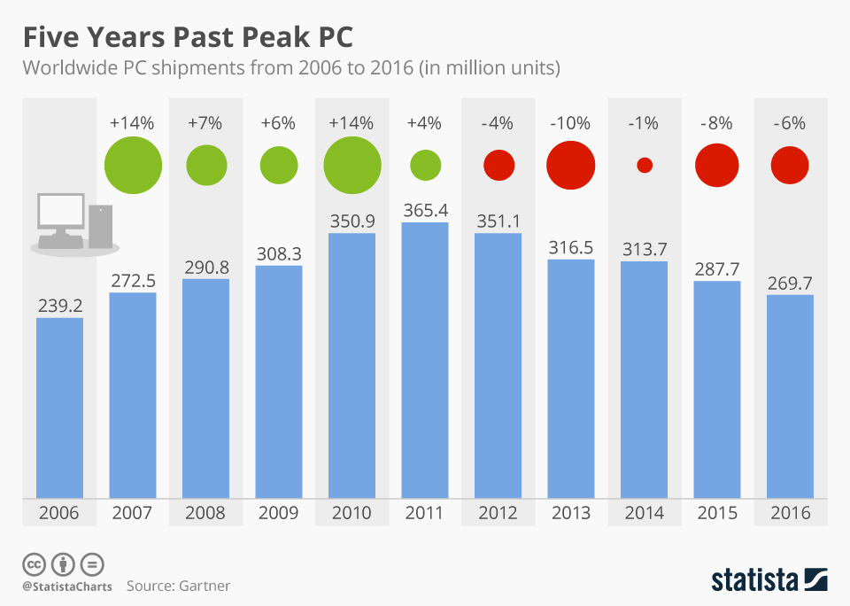
US PC Unit Shipments
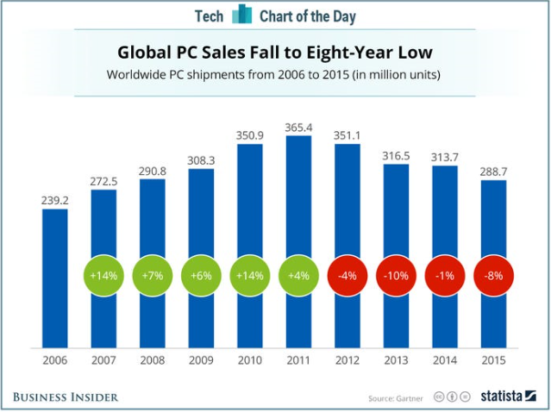

business
penetration??

90% household penetration (2016)

5.2 year
replacement cycle

Hobbiest
IBM (business) Era
Internet Era
Mobile Devices

household vs business
Year | 1975 | 1976 | 1977 | 1978 | 1979 | 1980 | 1981 | 1982 | 1983 | 1984 | 1985 | 1986 | 1987 | 1988 | 1989 | 1990 | 1991 | 1992 | 1993 | 1994 | 1995 | 1996 | 1997 | 1998 | 1999 | 2000 | 2001 | 2002 | 2003 | 2004 | 2005 | 2006 | 2007 | 2008 | 2009 | 2010 | 2011 | 2012 | 2013 | 2014 | 2015 | 2016 | 2017 | 2018 | 2019

US Households | 71,120 | 72,867 | 74,142 | 76,030 | 77,330 | 80,776 | 82,368 | 83,527 | 83,918 | 85,290 | 86,789 | 88,458 | 89,479 | 91,124 | 92,830 | 93,347 | 94,312 | 95,669 | 96,426 | 97,107 | 98,990 | 99,627 | 101,018 | 102,528 | 103,874 | 104,705 | 108,209 | 109,297 | 111,278 | 112,000 | 113,343 | 114,384 | 116,011 | 116,783 | 117,181 | 117,538 | 119,927 | 121,084 | 122,459 | 123,229 | 124,587 | 125,819 | 126,224 | 127,586 | 128,579
 |  | 2.5% | 1.7% | 2.5% | 1.7% | 4.5% | 2.0% | 1.4% | 0.5% | 1.6% | 1.8% | 1.9% | 1.2% | 1.8% | 1.9% | 0.6% | 1.0% | 1.4% | 0.8% | 0.7% | 1.9% | 0.6% | 1.4% | 1.5% | 1.3% | 0.8% | 3.3% | 1.0% | 1.8% | 0.6% | 1.2% | 0.9% | 1.4% | 0.7% | 0.3% | 0.3% | 2.0% | 1.0% | 1.1% | 0.6% | 1.1% | 1.0% | 0.3% | 1.1% | 0.8%

US PC Unit Sales | 5 | 46 | 165 | 121 | 181 | 246 | 381 | 3,000 | 4,850 | 6,700 | 6,800 | 6,900 | 7,800 | 8,700 | 9,100 | 9,500 | 9,500 | 11,800 | 15,600 | 18,700 | 23,000 | 27,400 | 33,150 | 38,900 | 44,400 | 49,900 | 47,450 | 45,000 | 49,050 | 53,100 | 57,700 | 59,700 | 64,200 | 65,600 | 67,447 | 74,355 | 74,919 | 69,584 | 60,560 | 64,280 | 62,050 | 60,400 | 55,850 | 55,370 | 40,360
...
Year | 1975 | 1976 | 1977 | 1978 | 1979 | 1980 | 1981 | 1982 | 1983 | 1984 | 1985 | 1986 | 1987 | 1988 | 1989 | 1990 | 1991 | 1992 | 1993 | 1994 | 1995 | 1996 | 1997 | 1998 | 1999 | 2000 | 2001 | 2002 | 2003 | 2004 | 2005 | 2006 | 2007 | 2008 | 2009 | 2010 | 2011 | 2012 | 2013 | 2014
Business PC Sales | - | - | - | - | - | - | - | 2,074 | 3,964 | 5,742 | 5,374 | 5,316 | 5,657 | 6,575 | 6,879 | 6,230 | 6,053 | 7,768 | 11,571 | 13,154 | 16,340 | 20,541 | 25,658 | 29,949 | 33,868 | 38,214 | 34,856 | 34,502 | 37,039 | 40,356 | 43,775 | 44,847 | 51,411 | 51,020 | 52,124 | 58,667 | 58,662 | 54,216 | 39,980 | 47,356
% of market | 0% | 0% | 0% | 0% | 0% | 0% | 0% | 69% | 82% | 86% | 79% | 77% | 73% | 76% | 76% | 66% | 64% | 66% | 74% | 70% | 71% | 75% | 77% | 77% | 76% | 77% | 73% | 77% | 76% | 76% | 76% | 75% | 80% | 78% | 77% | 79% | 78% | 78% | 66% | 74%

Year | 1975 | 1976 | 1977 | 1978 | 1979 | 1980 | 1981 | 1982 | 1983 | 1984 | 1985 | 1986 | 1987 | 1988 | 1989 | 1990 | 1991 | 1992 | 1993 | 1994 | 1995 | 1996 | 1997 | 1998 | 1999 | 2000 | 2001 | 2002 | 2003 | 2004 | 2005 | 2006 | 2007 | 2008 | 2009 | 2010 | 2011 | 2012 | 2013 | 2014
Household PC Sales | 5 | 46 | 165 | 121 | 181 | 246 | 381 | 926 | 886 | 958 | 1,426 | 1,584 | 2,143 | 2,125 | 2,221 | 3,270 | 3,447 | 4,032 | 4,029 | 5,546 | 6,660 | 6,859 | 7,492 | 8,951 | 10,532 | 11,686 | 12,594 | 10,498 | 12,011 | 12,744 | 13,925 | 14,853 | 12,789 | 14,580 | 15,322 | 15,688 | 16,256 | 15,368 | 20,580 | 16,924
Internet Access |  |  |  |  |  |  |  |  |  |  |  |  |  |  |  |  |  |  |  | 1.0% | 6.7% | 13.2% | 18.0% | 26.2% | 33.9% | 41.5% | 50.4% | 52.6% | 54.7% | 56.5% | 58.2% | 59.9% | 61.7% | 65.2% | 68.7% | 71.1% | 71.7% | 73.1% | 74.5% | 75.8%
Growth |  |  |  |  |  |  |  |  |  |  |  |  |  |  |  |  |  |  |  |  | 5.7% | 6.5% | 4.8% | 8.2% | 7.7% | 7.6% | 8.9% | 2.2% | 2.1% | 1.7% | 1.7% | 1.7% | 1.8% | 3.5% | 3.5% | 2.4% | 0.6% | 1.4% | 1.4% | 1.4%

1975 | 5
1976 | 46
1977 | 165
1978 | 121
1979 | 181
1980 | 246
1981 | 381
1982 | 926
1983 | 886
1984 | 958
1985 | 1,426
1986 | 1,584
1987 | 2,143
1988 | 2,125
1989 | 2,221
1990 | 3,270
1991 | 3,447
1992 | 4,032
1993 | 4,029
1994 | 5,546
1995 | 6,660
1996 | 6,859
1997 | 7,492
1998 | 8,951
1999 | 10,532
2000 | 11,686
2001 | 12,594
2002 | 10,498
2003 | 12,011
2004 | 12,744
2005 | 13,925
2006 | 14,853
2007 | 12,789
2008 | 14,580
2009 | 15,322
2010 | 15,688
2011 | 16,256
2012 | 15,368
2013 | 20,580
2014 | 16,924
2015 | 17,806
2016 | 19,402
1975 | -
1976 | -
1977 | -
1978 | -
1979 | -
1980 | -
1981 | -
1982 | 2,074
1983 | 3,964
1984 | 5,742
1985 | 5,374
1986 | 5,316
1987 | 5,657
1988 | 6,575
1989 | 6,879
1990 | 6,230
1991 | 6,053
1992 | 7,768
1993 | 11,571
1994 | 13,154
1995 | 16,340
1996 | 20,541
1997 | 25,658
1998 | 29,949
1999 | 33,868
2000 | 38,214
2001 | 34,856
2002 | 34,502
2003 | 37,039
2004 | 40,356
2005 | 43,775
2006 | 44,847
2007 | 51,411
2008 | 51,020
2009 | 52,124
2010 | 58,667
2011 | 58,662
2012 | 54,216
2013 | 39,980
2014 | 47,356
2015 | 44,244

